Table 16
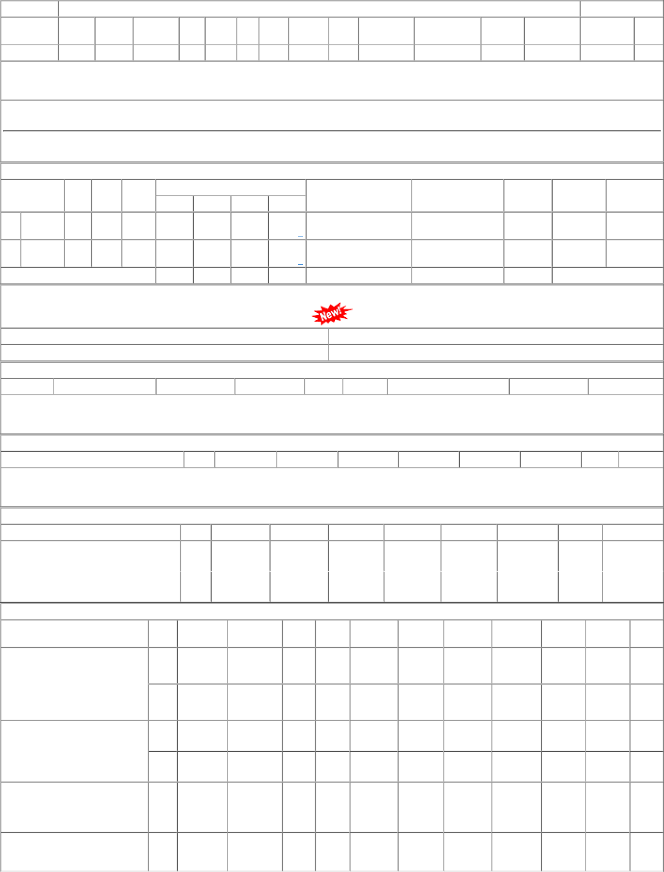
P.O.No.15220659103340 dt.30/06/22 on M/s.RAMKRISHNA ENGINEERING PRIVATE LIMITED-Howrah PO-CAT:[ Reg ] P.O.No.15210659105135 dt.19/10/21 on M/s.PEW ENGINEERING PRIVATE LIMITED-HOWRAH PO-CAT:[ Reg ] P.O.No.52211345800861 dt.16/08/21 on M/s.HEAD QUARTER, Gorakhpur PO- CAT:[ Reg ] P.O.No.52211332800782 dt.27/07/21 on M/s.Controller of Stores, JAIPUR PO-CAT:[ Reg ] | 001 002 001 002 001 001 | PL-CR BVPW PL-CR BVPW PL-CR PL-CR | 11446.00 11446.00 10526.88 10526.88 62478.23 8552.53 | 118 69 120 70 25 5 | Nos. 0 Nos. 0 Nos. 0 Nos. 0 Nos. 25 Nos. 2 | 0 0 30/04/23 0 0 31/05/23 0 120 10/06/22 0 70 31/05/22 0 0 16/10/21 0 3 26/09/21 | 01/04/23 30/04/23 OP 17/12/22 31/05/23 OP 10/06/22 OP 31/05/22 OP 17/08/21 16/10/21 OX 28/07/21 26/09/21 OP

